System Blocks
Reciever Design

Antenna
Res Freq = 2400 - 2483 MHz
Gain = +16 dBi
Beam Width = 23 deg
Antenna Temperature = 290K
LNA
Bandwidth = 0.5 to 2.5 GHz
Gain = 23 dB @ 2.4GHz
NF = 2.62 dB @ 2.4GHz
Bandpass Filter
Pass Band = 2020 - 2660 MHz
Insertion Loss = 1.6 dB
NF = 1.6 dB
Rejection = 30 dB
LimeSDR-Mini
Bandwidth = 2 to 3 GHz
Gain = 0 to 73 dB
NF = 3.5 dB Max.

Noise Figure
 |  |  |  |  | System Block Diagram

LNA
G1 = 23 dB
F1 = 2.62 dB
T1 = 240 K
BPF
G2 = -1.6 dB
F2 = 1.6 dB
T2 = 129 K
LimeSDR
G3 = 55 dB
F3 = 3.5 dB
T3 = 360 K
kTAB
N0
RF Front End
G = 76.4 dB
F = 2.65 dB
T = 243 K
N0
kTAB
Reciever Front End
LNA
Gain | 199.53 |  | 23 | dB
Noise Figure | 1.83 |  | 2.62 | dB
Noise Temperature | 240.15 | K
BPF
Gain | 0.69 |  | -1.6 | dB
Noise Figure | 1.45 |  | 1.6 | dB
Noise Temperature | 129.18 | K
Lime SDR
Gain | 316227.77 |  | 55 | dB
Noise Figure | 2.24 |  | 3.5 | dB
Noise Temperature | 359.23 | K

Equivalent System
RF Front End
Gain | 43651583.22 |  | 76.40 | dB
Noise Figure | 1.84 |  | 2.65 | dB
Noise Temperature | 243.40 | K

Noise Margin |  |  |  |  | System Signal to Noise Ratio
System |  |  |  |  | Reciever | Signal Power (dBm) | Noise Power (dBm) | SNR (dB)
Antenna Brightness | 290.00 | K |  |  | 1 | -14.82 | -23.17 | 8.35
Input Noise Power | 6.00E-11 | mW | -102.22 | dBm | 2 | -14.89 | -23.17 | 8.28
Outut Noise Power | 0.004820 | mW | -23.17 | dBm | 3 | -14.81 | -23.17 | 8.36

Lime Units
Signal Power Measurements |  |  |  |  |  | Noise Power Measurements

 |  |  | Lime ADC Units |  |  |  | Lime ADC Units
Input Power (dBm) | Gain (dB) | Signal Power (dBm) | Power P | 10Log(P) | Peak | Gain (dB) | Power P | 10Log(P) | Peak | Est. Noise Power (dBm)
-60 | 65 | 5 | 500223 | 56.992 | 1211 | 73 | 838 | 29.232 | 150 | -24.24 | -97.24
-60 | 60 | 0 | 205969 | 53.138 | 672 | 70 | 355 | 25.502 | 105 | -28.06 | -98.06
-60 | 55 | -5 | 65946 | 48.192 | 380 | 65 | 114 | 20.569 | 61 | -33.11 | -98.11
-60 | 50 | -10 | 21740 | 43.373 | 220 | 60 | 49.5 | 16.946 | 37 | -36.82 | -96.82
-65 | 70 | 5 | 636408 | 58.037 | 1222 | 55 | 17 | 12.304 | 21 | -41.57 | -96.57
-65 | 65 | 0 | 212424 | 53.272 | 698 | 50 | 7.36 | 8.669 | 13 | -45.30 | -95.30
-65 | 60 | -5 | 64371 | 48.087 | 391 |  |  |  |  | Reffered to Input: | -97.02
-65 | 55 | -10 | 20630 | 43.145 | 220
-65 | 50 | -15 | 6879 | 38.375 | 129
-70 | 70 | 0 | 199693 | 53.004 | 721
-70 | 65 | -5 | 64219 | 48.077 | 418
-70 | 60 | -10 | 21412 | 43.307 | 238
-70 | 55 | -15 | 6420 | 38.075 | 117
-70 | 50 | -20 | 2107 | 33.237 | 76

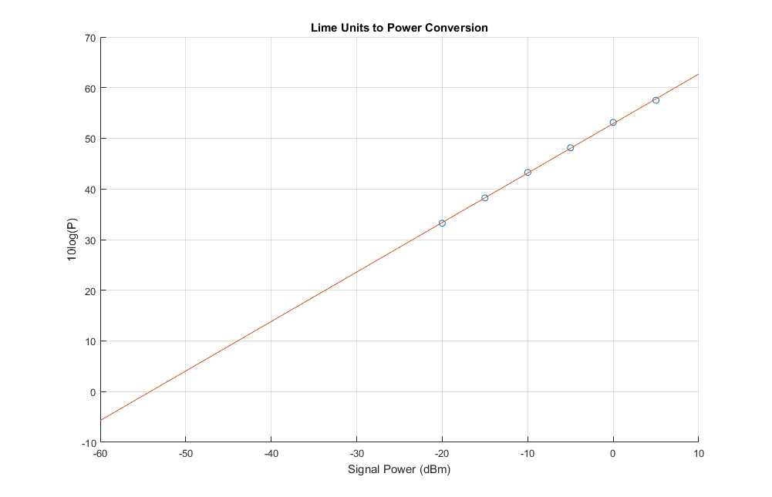
Y = 0.9767 X + 52.9106
Signal Power (dBm) | 10Log(P)
5 | 57.51
0 | 53.14
-5 | 48.12
-10 | 43.27
-15 | 38.23
-20 | 33.24

